Weapons
 | Name
 | Type
 | Use
 | Skill bonus
 | Skill penalty
 | Standard Attack
 | St.Att. AP Cost
 | Special Attack
 | Sp.Att. AP Cost
 | Resource Required
 | Crafting Perk Required
 | Crafting Time
 | Crafting XP

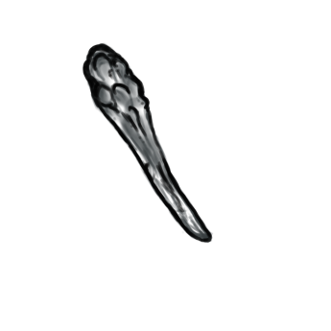 | Name | Wooden Club |  |  |  | Name | Stone Club
 | Type | Blunt |  |  |  | Type | Blunt
 | Use | 1 hand |  |  |  | Use | 1 hand
 | Skill bonus | 1 AS |  |  |  | Skill bonus | 2 AS
 | Skill penalty | none |  |  |  | Skill penalty | none
 | Standard Attack | 2 D |  |  |  | Standard Attack | 4 D
 | St.Att. AP Cost | 2 AP |  |  |  | St.Att. AP Cost | 2 AP
 | Special Attack | 20% cpa for dazed1 |  |  |  | Special Attack | 25% cpa for dazed1
 | Sp.Att. AP Cost | none(passive) |  |  |  | Sp.Att. AP Cost | none(passive)
 | Resource Required | 2 wood |  |  |  | Resource Required | 2 wood, 2 stone, 1 leather
 | Crafting Perk Required | none |  |  |  | Crafting Perk Required | none
 | Crafting Time | 1 Turn |  |  |  | Crafting Time | 2 Turns
 | Crafting XP | ? |  |  |  | Crafting XP | ?

 | Name | Wood short-spear
 | Type | pierce
 | Use | 1 or 2 hand | 2 hand bonus | (+) 1 AS
 | Skill bonus | 1 AS
 | Skill penalty | none
 | Standard Attack (1) | 2 D | Standard Attack (2) | 2 D (Ranged) | Range | 3
 | St.Att. (1) AP Cost | 3 AP | St.Att. (2) AP Cost | 4 AP
 | Special Attack (1) | (+5%) critical hit | Special Attack (2) | (+5%) critical hit
 | Sp.Att. (1) AP Cost | none(passive) | Sp.Att. (2) AP Cost | none(passive)
 | Resource Required | 3 wood
 | Crafting Perk Required | none
 | Crafting Time | 1 Turn
 | Crafting XP | ?

 | Name | Stone short-spear
 | Type | pierce
 | Use | 1 or 2 hand | 2 hand bonus | (+) 1 AS
 | Skill bonus | 2 AS
 | Skill penalty | none
 | Standard Attack | 4 D | Standard Attack (2) | 3 D (Ranged) | Range | 3
 | St.Att. AP Cost | 3 AP | St.Att. (2) AP Cost | 4 AP
 | Special Attack | (+10%) critical hit | Special Attack (2) | (+10%) critical hit
 | Sp.Att. AP Cost | none(passive) | Sp.Att. (2) AP Cost | none(passive)
 | Resource Required | 3 wood, 1 stone, 1 leather
 | Crafting Perk Required | none
 | Crafting Time | 2 Turns
 | Crafting XP

